Title
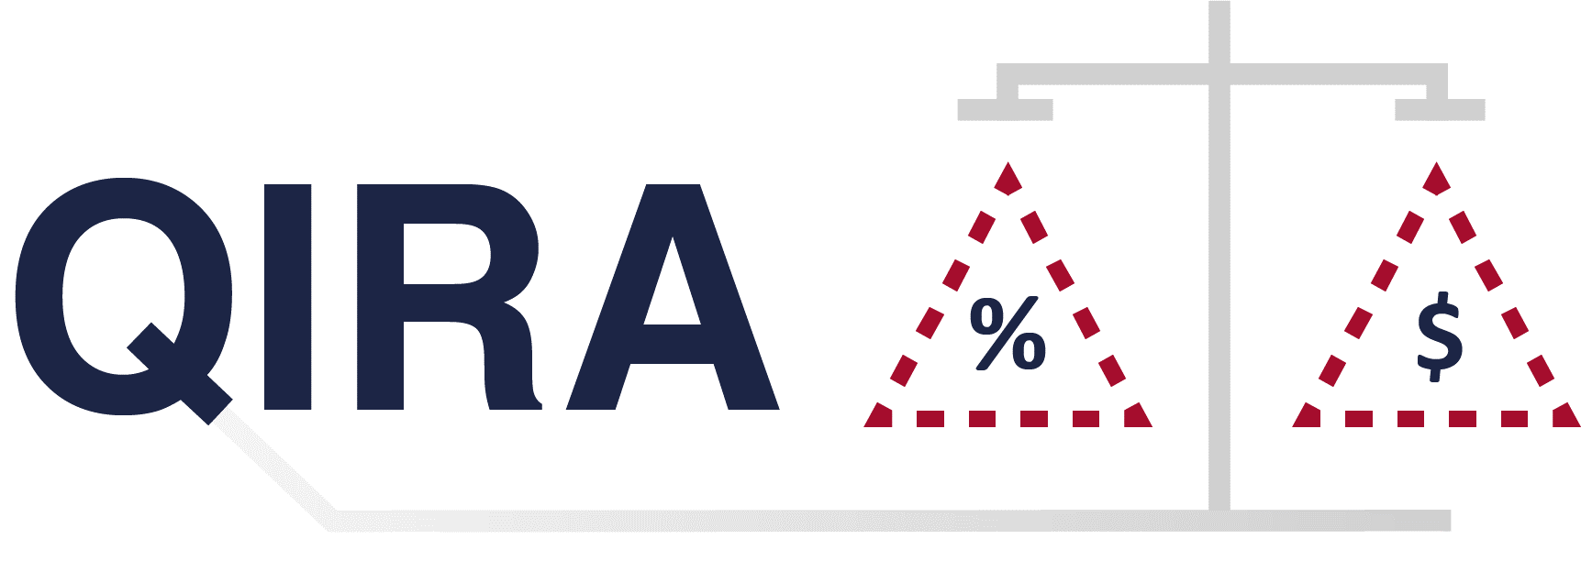

Quantitative Information Risk Analysis
Accelerator Tool

V1.0

Introduction
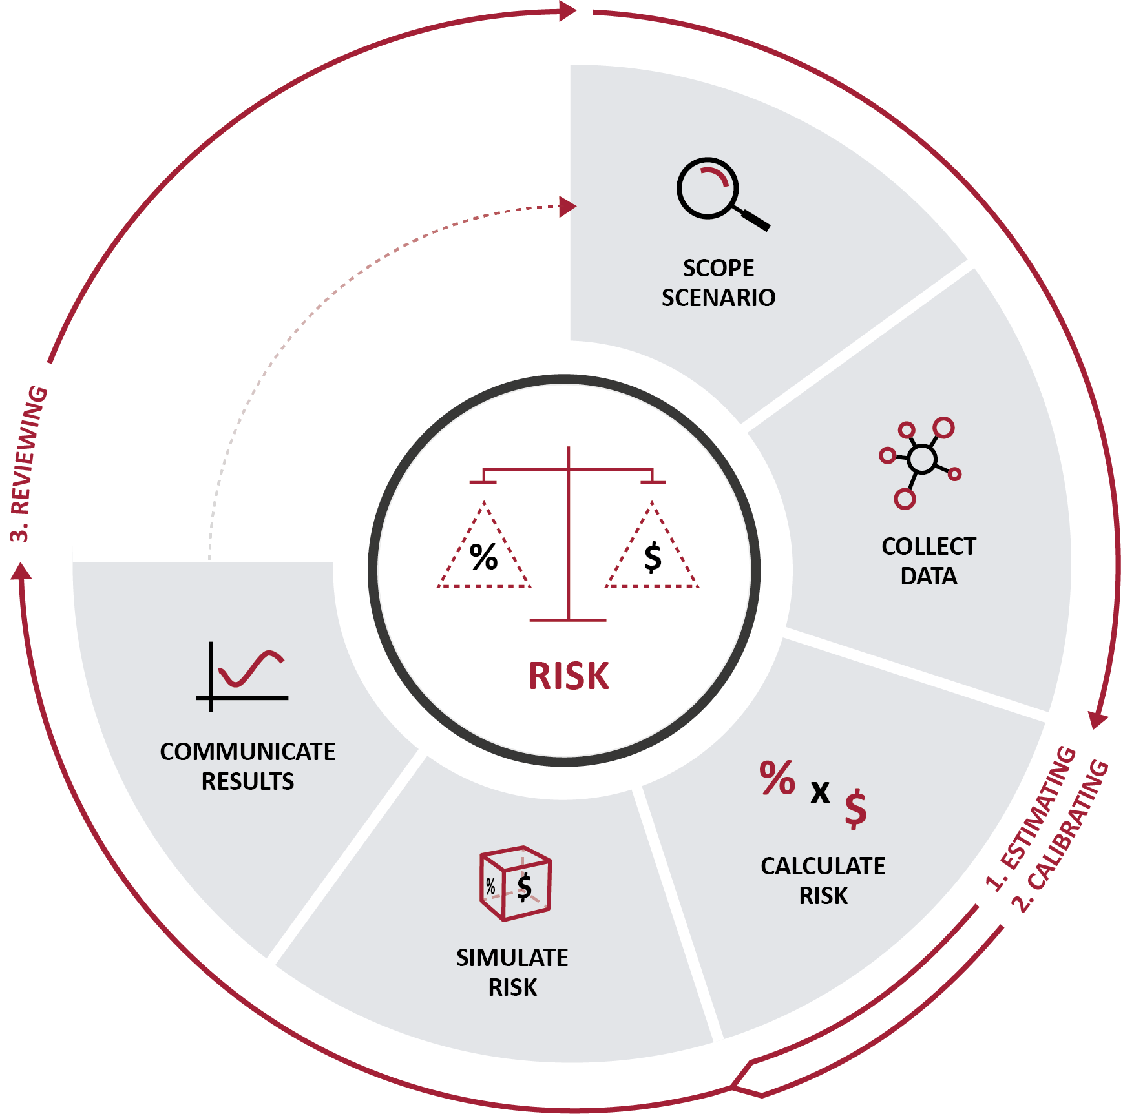
QIRA Introduction

This Accelerator Tool accompanies the ISF Quantitative Techniques in Information Risk Analysis (QIRA) report as part of the implementation programme of this project, and replicates the phases of the ISF Approach as set out in the report, and shown in the diagram below. The QIRA Accelerator Tool is intended to be used alongside the workshops being delivered throughout the year and is recognised as not being fully mature at this stage. The ISF welcomes and encourages feedback and suggestions as to how this experimental project can be improved and developed by our Membership in order to improve the offering from our QIRA project.

Communicate
QIRA Communicate

Reporting information risk is a balance between what an audience wants to see and needs to see. This worksheet helps the practitioner present the results of the Monte Carlo simulation as a histogram using lognormal distribution that makes use of PERT, a loss exceedance curve (LEC) and a risk statement, which helps communicate the Value at Risk (VaR). The Initial Value At Risk Distribution histogram will tail off into infinity, so is presented here with approximately the final 5% of results being grouped together and labelled as 'Infinity'. Pages 40-45 of the ISF Quantitative Techniques in Information Risk Analysis Report help further explain this sheet.
SUMMARY

Inherent Value at Risk (VaR) | Minimum | Maximum | Probability | Primary Loss |  | Secondary Loss |  | Loss (Total)
N/A | N/A | N/A | - | £0.00 |  | £0.00 |  | -

INITIAL VALUE AT RISK DISTRIBUTION

 | 1 | 1

LOSS EXCEEDANCE CURVE |  |  |  |  | RISK STATEMENT

 | Actual Loss | Acceptable Loss
 |  | 100%
 |  | 75%
 |  | 50%
 |  | 25%
 |  | 0%
 |  |  |  |  | Threat | Threat Event | Information Asset |  | Loss Effect
 |  |  |  |  | Please select | Please select | Please select |  | Please select

 |  |  |  |  | Loss Scenario: | N/A

 |  |  |  |  | Value at Risk: | N/A

 |  |  |  |  | LOSS EXCEEDANCE CRITERIA

 |  |  |  |  | The variables below should be modified to reflect the organisation's acceptable loss.
 |  |  |  |  | Probability of Exceeding |  |  | Probability Exceeded in
 |  |  |  |  |  |  |  | N/A

 |  |  |  |  | Acceptable Risk Tolerance |  | Acceptable Loss |  | Probability Exceeded In
 |  |  |  |  | 100% |  | £0.00 |  | N/A
 |  |  |  |  | 75% |  | £0.00 |  | N/A
 |  |  |  |  | 50% |  | £0.00 |  | N/A
 |  |  |  |  | 25% |  | £0.00 |  | N/A
 |  |  |  |  | 0% |  | £0.00 |  | N/A

Treatment (Results)
QIRA Treatment (Results)

Once a risk has been communicated, organisations will seek to prioritise multiple risks to determine the most effective mitigation. This worksheet presents practitioners with the treated results of their simulation, based upon control data input by the practitioner on previous sheets. Pages 45-46 of the ISF Quantitative Techniques in Information Risk Analysis Report help further explain this sheet.
SUMMARY

Assessment Name | Information Asset | Threat Event | Initial VaR | Residual VaR
0% | 0 | N/A | N/A | N/A

Control Effectiveness | Control Cost | Control Saving | Return on Control
0% | £0.00 | £0.00 | Cost exceeds savings

TREATED VALUE AT RISK |  |  |  | TREATED LOSS EXCEEDANCE CURVE

 | Untreated VaR | Treated VaR
 | Actual Loss | Acceptable Loss | Treated Loss
 |  | 100%
 |  | 75%
 |  | 50%
 |  | 25%
 |  | 0%

TREATED VALUE AT RISK DISTRIBUTION

 | 1 | 1

